Conversão
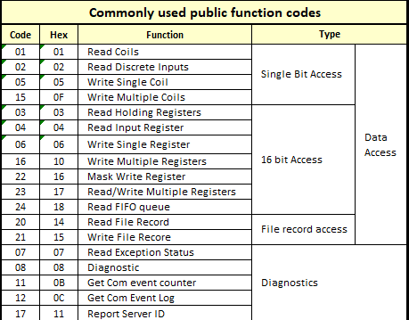
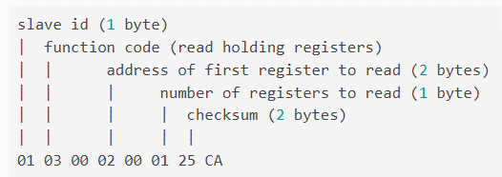
Autor: Rodrigo Martins da Silva
 |  | Resposta
 |  | Slave Address (1Byte) | Function Code (1 Byte) | Número de Bytes de Dados |  | Valor do Registrador | Valor do Registrador 01 Decimal | Valor do Registrador 2 | Valor do Registrador 2 Decimal | CRC (2 Bytes)
 |  | 01 | 04 | 02 | 00 | 18 | 24 | - | - | B9 | 3a
 |  | 01 | 03 | 04 | 00 | 19 | 25 | 18 | 24 | 2b | fe

 |  | Request
 |  | Slave Address (1Byte) | Function Code (1 Byte) | Endereço do primeiro registrador (02 Bytes) |  | Número de registradores (1 byte) |  | CRC (2 Bytes) |  |  |  | 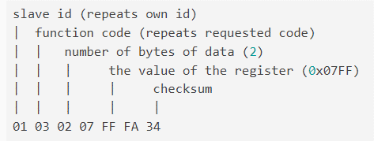
 | Leitura | 01 | 03 | 00 | 02 | 00 | 01 | 25 | CA
 | Write | 01 | 06 | 00 | 02 | 00 | 18 | 28 | 00 |  | 24

